Tabelle1
Case image | USB name | Resolution | IMG Type |  | Sonderfunktionen
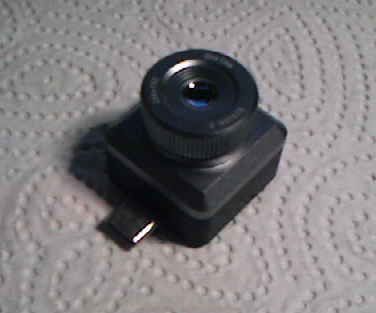 | T2L-A6L | 256x196 YUY2 | A) R=B=G 4 lines with Min and Max value | 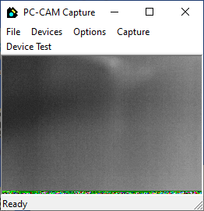 | 1. NUC

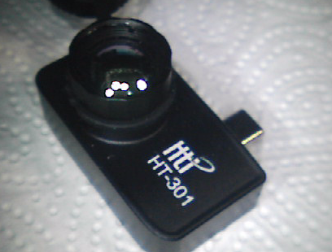
 | T3-317-13 | 384x292 YUY2 | A) R=B=G 4 lines with Min and Max value | 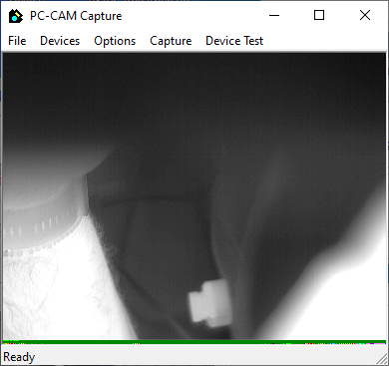 | 1. NUC

Flir UVC Kamera mit Radiometric stream | FLIR * Series | 320x240 | B)
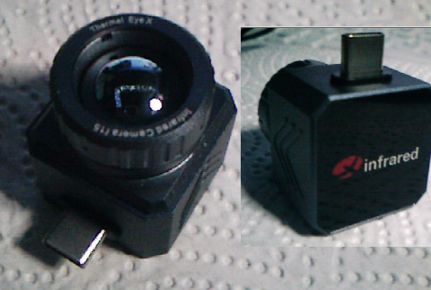 | Camera | 384x290 YUY2 (reconnect issue maybe) | C) R=B=G 3 lines with Min and Max value (not sure) | 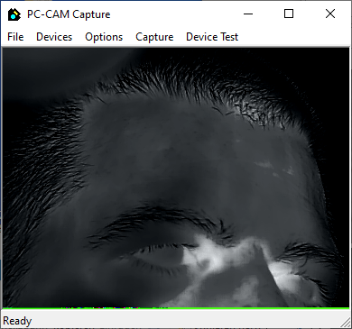 | -

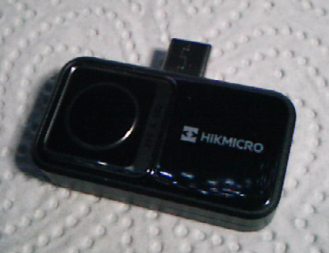 | UVC Camera | 256x196 YUY2 (256x192 color preview, 256x400 combined) | D) maybe 16bit pixels with additional datarowDDD | 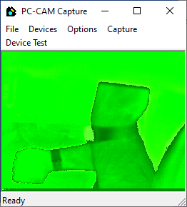 | -

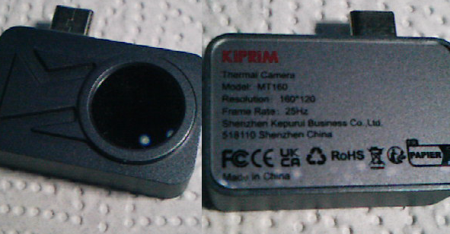 | USB Camera | 160x240 YUV2 (160x120 BW preview) | E) 16bit in second frame | 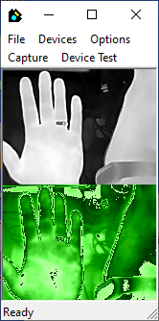 | -

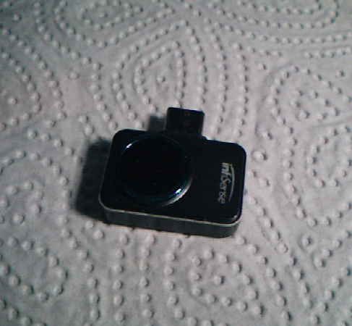 | USB Camera | 256x384 YUY2 (256x192 color preview) | E) 16bit in second frame | 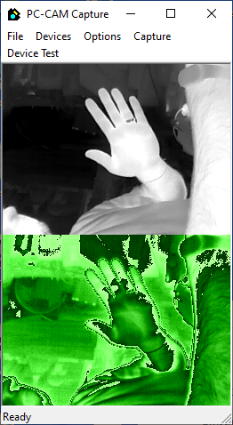 | -

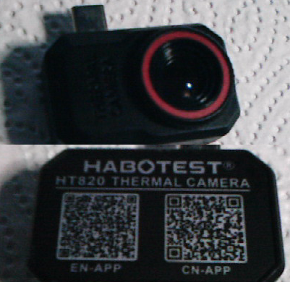 | USB Camera | 256x384 YUY2 (256x192 color preview) | E) 16bit in second frame | 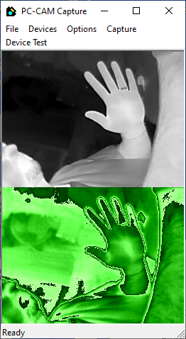 | -

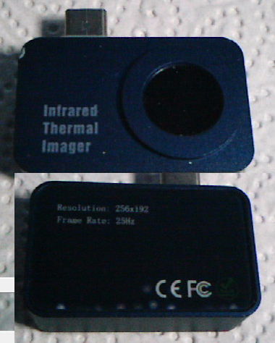 | USB Camera | 256x384 YUY2 (256x192 color preview) | E) 16bit in second frame | 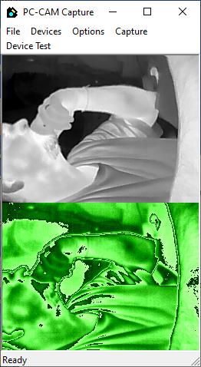 | -

 | Pure Thermal (fw:v 1.0.0) | 160x120 Y16 | F) 16bit frame | 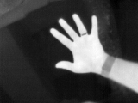 | 1.NUC

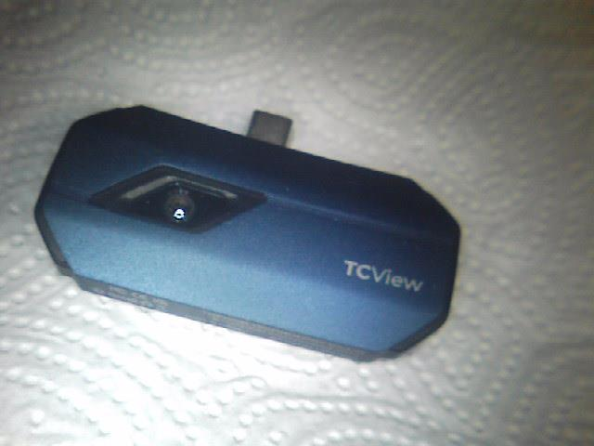 | USB Camera | 256x384 YUY2 (256x192 color preview) | E) 16bit in second frame | 